FACTORY SPII
BIKE REF FOR ORDERS : 22-FACTORYSP2-150-STD |  | 2022-03-01 | BIKE NAME : FACTORY SP2 2022
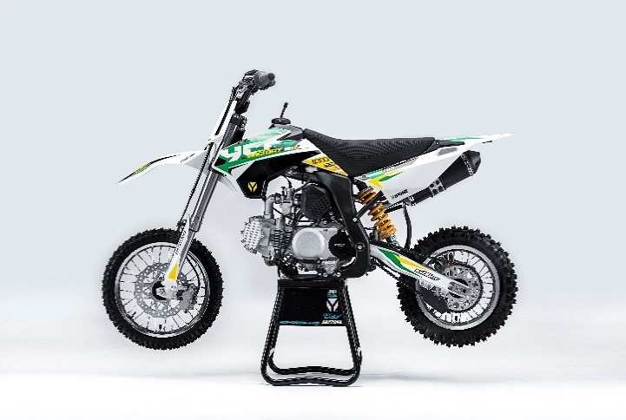 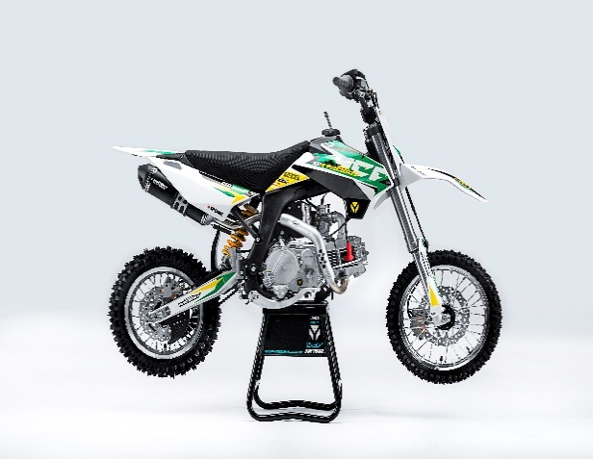
Handle bar assembly
50A = YCF50A
50E = YCF50E
W88E = START W88E
L88 = LITE88 L125 = LITE125
S88S = START F88S
S125S = START F125S
S125SE = START F125SE
S125 = STARTF125
P88 = PILOT 88
P125 = PILOT 125
P150 = PILOT 150
SM125 = START SM125S
SM150 = PILOT SM 150
SP1 = FACTORY SP1
SP2 = FACTORY SP2
SP3 = FACTORY SP3
B125 = BIGY 125MX
B150 = BIGY 150MX
BF150 = BIGY F150MX
BFD190 = BIGY FD190MX
BFZ190 = BIGY ZE190 MX
S147 = SUNDAY 150
S187 = SUNDAY 190
N° | Ref. | Description | Français | Picture | Qty/Bike | Model
1 | GALOW-BK | Complete Aluminium Handle Bar, "LOW" shape Black L=740mm | Guidon aluminium "BAS" complet avec Mousse et Pvc L=740mm |  | 1 | SM1501821/SP21821
2 | YC110-0131-03 | Complete Bar Pad for Chromolly Handlebar L=195mm BLACK | Mousse guidon complete pour guidon Chromolly L=195mm NOIR |  | 1 | SM1501821/SP21821/BF1501821/BFZ1901821
3 | YC110-0153-01 | Handle bar plastic cap | Embout plastique de guidon |  | 1 | ALL BIKES 2120
4 | YC110-0138-03 | YCF complete Throttle Assy. 2020 with YCF GREY | Poignee gaz complete YCF 2020 avec Paire de poignée YCF GRIS 2020 |  | 1 | SM1501420/SP11417/SP21421/SP31421/BF1501721/BFD1901721/BFZ1901721/S1471821/S1871821
5 | PPC011-GY | YCF set of grip GREY 2020 | Paire de poignée caoutchouc YCF GRISE 2020 |  | 1 | ALL BIKES 21
6 | YC110-0135-02 | CNC adjustable bracket with lever 2020 | Cocotte CNC reglage rapide avec levier embrayage 2020 |  | 1 | S12521/P12521/P15021/SM15021/SP221/SP321/B12520/B15021/BFD19020/BFZ19021/S14720/S18721
7 | YC110-0151-02 | Rubber on clutch lever adjustable screw 2020 | Caoutchouc levier embrayage molette reglage2020 |  | 1 | S12521/P12521/P15021/SM15021/SP221/SP321/B12520/B15021/BFD19020/BFZ19021/S14720/S18721
8 | YC110-0136-01 | Rubber on clutch lever | Caoutchouc levier embrayage |  | 1 | S1251820/P1251821/P1501821/SM1501821/SP21821/SP31820/B1251821/B1501821/BF1501821/BFD1901821/BFZ1901821/S1471821/S1871821
9 | YC110-0134-04 | Clutch bracket Assy | Cocotte embrayage complete |  | 1 | S12521/P12521/P15021/SM15021/SP221/SP321/B12520/B15021/BFD19020/BFZ19021/S14720/S18721
10 | BT08-M6x20-W | Hex.Bolt M6x20 mm for clutch lever bracket | vis M6x20 mm pour cocotte embrayage |  | 2 | ALL BIKES 21
11 | YC110-0103-07 | Clutch lever 2020 (with FB13-8x10x10.5-Cu 1EA FB13-8x10x9.4-Cu 1EA ) complete with bushings and washer | Levier embrayage 2020 (avec FB13-8x10x10.5-Cu 1EA FB13-8x10x9.4-Cu 1EA ) avec entretoises et rondelle |  | 1 | S12521/P12521/P15021/SM15021/SP221/SP321/B12520/B15021/BFD19020/BFZ19021/S14720/S18721
12 | YC110-0105-15 | Kill Switch ON/OFF L=580mm | Coupe circuit on off L=580mm |  | 1 | ALL BIKES 1220
13 | YC110-0106 | Throttle Cable L=840mm A+B=130mm | Cable gaz L=840mm A+B=130mm |  | 1 | L12521/S125S1319/S12521/S125SE1521/P1251321/P1501220/SM1251320/SM1501320/SP11217/SP21221/S1471821/S1871821
14 | YC110-0143-01 | RUBBER ON THROTTLE CABLE | Caoutchouc protection cable de gas |  | 1 | ALL BIKES 1720
15 | YC110-01-03-BK | Cable tie L=150mm BLACK | Collier maintien cable L=150mm NOIR |  | 3 | ALL BIKES 1220
16 | YC110-01-05-WH | Cable tie L=350mm WHITE | collier maintien cable L=350mm BLANC |  | 1 | ALL BIKES 1220
17 | YC110-0109-23 | Clutch Cable Assy. L=920mm A+B=75mm | cable embrayage L=920mm A+B=75mm |  | 1 | SP21321

Steering stem assembly

N° | Ref. | Description | Français | Picture | Qty/Bike | Model
1 | YC110-02-053-BK | Complete Triple Clamp (TOPd45mm / BOTTOM d48mm) adjustable bar mount 2020 BLACK | Te Fourche Complet (TE SUPd45mm / TE INF d48mm) pontet ajustable 2020 NOIR |  | 1 | W88E20/S88SE21/S12521/S125SE21/SM12520/SM15021/SP221/B12520/B15021/BFZ19021
2 | YC110-0201-03 | Steering stem L=233mm | tige colonne direction L=233mm |  | 1 | S12521/S125S1119/S125SE1521/P1251120/P1501120/SM1251220/SM1501320/SP11317/SP21321/SP31321/B1251721/B1501721/BFD1901721/BFZ1901821/S1471821/S1871821
3 | YC110-0201-56-BK | Top Triple Clamp160mm d45mm H=28mm 2022 MATT BLACK, 3 ADJUSTEBLE POSITIONS | té fourche supérieur 160mm d45mm H=28mm 2022 NOIR MAT, REGLAGE 3 POSITIONS |  | 1 | W88E21/S88SE21/S12521/S125SE21/SM12521/SM15021/SP221/B12521/B15021/BF15020/BFZ19020
4 | YC110-0202-56-BK | Lower triple clamp 160mm d48mm H=28mm 2020 MATT BLACK | té fourche inferieur 160mm d48mm H=28mm 2020 NOIR MAT |  | 1 | W88E20/S88SE21/S12521/S125SE21/SM12520/SM15021/SP221/B12520/B15021/BFZ19021
5 | YC110-0203-035 | Set of Bar mount not adjustable d22.2mm/bottom 55mm START Type BLACK （with GB70-M10x50x1.5W 2EA+BT08-M8x30-W 4EA） | jeu pontet guidon non ajustable d 22.2mm / pontet bas 55mm Type START NOIR （with GB70-M10x50x1.5W 2EA+BT08-M8x30-W 4EA） |  | 1 | W88E20/L8821/S88SE21/L12521/S12521/S125SE21/P12521/P15021/SM12520/SM15021/SP221/B12520/B15021/BFZ19021
6 | YC110-0203-32 | 2020 Lower Bar Mount CNC BIGY type,d22.2 H=55mm BLACK | Pontet guidon inférieur type BIGY d22.2 H=55 mm NOIR 2020 |  | 2 | W88E20/L8821/S88SE21/L12521/S12521/S125SE21/P12521/P15021/SM12520/SM15021/SP221/B12520/B15021/BFZ19021
7 | YC110-0201-02 | Top Bar Mout CNC 2020 d22.2mm H=18mm START Type BLACK | pontet guidon supérieur 2020 d22.2mm H=18mm Type START NOIR |  | 2 | W88E20/L8821/S88SE21/L12521/S12521/S125SE21/P12521/P15021/SM12520/SM15021/SP221/B12520/B15021/BFZ19021
8 | BT08-M6x25-W | Hex.Bolt M6x25mm for clamp (sides top and bottom) | vis M6x25mm pour tes (cotes superieur et inferieur) |  | 8 | ALL BIKES 21
9 | BT08-M8x30-W | Hex.Bolt M8x30mm for top bar mount | vis M8x30mm pour pontet superieur |  | 4 | W88E20/S88SE21/L8821/L12521/S12521/S125SE21/P12521/P15021/SM12520/SM15021/SP221/SP321/B12520/B15021/BFD19020/BFZ19021
10 | GB70-M10x50x1.5W | Hex. Bolt M10x50mm (step 1.5) for 2020 bar mounts | Vis centrale M10x50mm (pas 1.5) pour pontets 2020 |  | 2 | W88E20/S88SE21/L8821/L12521/S12521/S125SE21/P12521/P15021/SM12520/SM15021/SP221/B12520/B15021/BFZ19021
11 | YC110-0212-07-WH | Front Number Plate complete 2014 WHITE | PLAQUE AVANT complete 2014 BLANC |  | 1 | W88E20/S88SE21/L8821/L1251720/S12521/S125S1419/S125SE1420/P1251420/P1501420/SM125s1420/SM1501420/SP11417/SP21421/SP31421
12 | BT08-M6x10-W | Hex.Bolt M6x10mm for front No plate | vis M6x10mm pour plaque No avant |  | 1 | ALL BIKES 21
13 | GB97-d12-W | Flat washer d12 | Rondelle d12 |  | 1 | ALL BIKES2020
14 | KRDIRECTION46 | set of bearing for steering 46/23.5、46/22 | kit rlt colonne direction 46/23.5、46/22 |  | 1 | 50A20/50E20/W88E20/S88SE21/L8821/L12521/125S1519/S125SE1521/P1251321/P1501320/SM1251320/SM1501320/SP11117/SP21221/SP31220/B1251721/B1501721/BF1501720/BFD1901721/BFZ1901721/S1471821/S1871821
15 | YC110-02-09 | Top nut for steering d54.5mm | écrou crantellé colonne direction d54.5mm |  | 1 | ALL BIKES 1220
16 | YC110-02-10 | Washer for steering stem nut d22.5mmxd37mmx0.7mm | joint colonne direction d22.5mmxd37mmx0.7mm |  | 2 | ALL BIKES 1220
17 | YC110-02-11 | Nut for steering stem M22 | Ecrou supérieur colonne direction M22 |  | 1 | ALL BIKES 1220
18 | YC110-0214-01-WH | YCF Break Line Retainer White with screw and washer（with GB9074.5-M4x10-W 1EA ） | Guide durite sur plaque avant avec vis et rondelle YCF Blanc |  | 1 | 50A20/50E20/W88E20/S88SE21/L8821/L1251621/S125SE1521/P1251420/P1501420/SM1251420/SM1501420/SP11417/SP21421/SP31421/B1251721/B1501721/BF1501721/BFD1901721/BFZ1901721
19 | GB97-d4-W | flat washer d4mm for Break Line Retainer front No plate | rondelle d4mm pour guide durite plaque No avant |  | 1 | ALL BIKES 1220
20 | GB818-M4x10-W | Plus screw M4x10mm for Break Line Retainer front No plate | vis M4x10mm pour guide durite plaque No avant |  | 1 | ALL BIKES 1220
21 | YC110-0213-10 | Front plastic plate to hold cables 75mmx100mm | Plaque avant plastique maintien cables 75mmx100mm |  | 1 | ALL BIKES 21
22 | YC110-0213-08 | Number plate bracket | support plaque avant |  | 1 | S1251420/S125SE1521/P1251420/P1501420/SM1251620/SM1501621/SP11617/SP21621/SP31621/B1251721/B1501721/BF1501721/BFD190ZE1720/BIGYF190D1720
23 | GBT5787-M6x16-3 | Hex. Bolt with flanged for front plastic plate M6x16mm (spacer 3mm) | vis M6x16mm pour support plaque avant (deport 3mm ) |  | 1 | ALL BIKES 21
24 | YC110-01-08-BK | Cable tie ADJUSTABLE BLACK for Front plastic plate to hold cables | Collier maintien cable AJUSTABLE NOIR pour plaque avant plastique |  | 2 | S1251420/S125SE1521/P1251420/P1501420/SM1251620/SM1501621/SP11617/SP21621/SP31621/B1251721/B1501721/BF1501721/BFD190ZE1720/BIGYF190D1720
25 | YC110-02-20 | Washer for steering stem nut d22mm (top)/d24mm (bottom)-d47mm | Joint pour colonne direction d22mm (haut)/d24mm (bas) -d47mm |  | 1 | S1251420/S125S1419/S125SE1420/P1251421/P1501421/SM1251420/SM1501420/SP11417/SP21420/SP31421/B1251721/B1501721/BF1501721/BFD1901721/BFZ1901821/S1471821/S1871821/S88SE21

Front Fender

N° | Ref. | Description | Français | Picture | Qty/Bike | Model
1 | YC110-032-02-WH | YCF Front Fender 2020 WHITE | GARDE BOUE AVANT 2020 BLANC |  | 1 | W88E20/S88SE21/L12521/S125SE21/S12521/P12521/P15021/SM12520/SM15021/SP221/SP321
2 | GBT5787-M6x16-6 | Hex. Bolt with flanged M6x16mm (spacer 6mm) for front mudguard (bottom) | vis M6x16mm (deport 6mm) pour garde boue avant (dessous) |  | 3 | 50A20/50E20/W88E1821/S88SE1820/L8821/L12521/S12521/S125SE1820/P1251821/P1501821/SM1251820/SM1501821/SP21821/SP31820/B1251821/B1501821/BF1501721/BFD19017820/BFZ1901821
3 | GBT5787-M6x16-3 | Hex. Bolt with flanged M6x16mm front mudguard (spacer 3mm) for front mudguard (top) | vis M6x16mm garde boue avant (deport 3mm ) pour garde boue avant (dessus) |  | 3 | 50A20/50E20/W88E1821/S88SE1820/L8821/L12521/S12521/S125SE1820/P1251821/P1501821/SM1251820/SM1501821/SP21821/SP31820/B1251821/B1501821/BF1501721/BFD19017820/BFZ1901821
...
N° | Ref. | Description | Français | Picture | Qty/Bike | Model
17 | LK-FLK-32 | Slow Jet Nibbi #32 | Gicleur ralenti Nibbi #32 |  | 1 | L12521/S12521/S125S21/S125SE21/P12521/P15021//SP121/SP221/B15021/BF15021/SUNDAY14721
18 | BT08-M6x30-W | Exterior Hex.Bolt M6x30mm for carburetor fixation on inlet pipe | vis M6x30mm pour fixation carburateur sur pipe admission |  | 2 | ALL BIKES 21
19 | GB6170-M6-W | Hex flanged self locking nut M6 for carburetor fixation on inlet pipe | écrou M6 pour fixation carbu sur pipe admission |  | 2 | ALL BIKES 1121
20 | 17311-2-01 | Inlet Pipe,Pro 2021 | PIPE ADMISSION 2021 |  | 1 | P15021/SP221
21 | BT08-M6x20-W | Hex.Bolt M6x20mm for inlet pipe fixation (on engine) | vis M6x20mm pour fixation pipe admission (sur moteur) |  | 2 | ALL BIKES 21
22 | 17332 | carburettor paper gasket d28mm | joint papier carburateur d28mm |  | 1 | S88SE1521/L881721/L1251621/S125S1319/S125SE1521/S12521/P1251321/P1501320/SM1251320/SM1501320/SP11317/SP21321/B1251721/B1501721/BF1501721/S1471821
23 | 17332/152FMH01 | Intake Gasket d=28mm | JT PAPIER PIPE ADMISSION d=28mm |  | 1 | S88SE1521/L881721/L1251621/S125S1319/S125SE1521/S12521/P1251321/P1501320/SM1251320/SM1501320/SP11317/SP21321/B1251721/B1501721/BF1501721/S1471821
24 | F00C039 | carburettor isolating gasket d27.5mm | joint plastique carburateur d27.5mm |  | 1 | S88SE1521/L881721/L1251621/S125S1319/S125SE1521/S12521/P1251321/P1501320/SM1251320/SM1501320/SP11317/SP21321/B1251721/B1501721/BF1501721/S1471821

Foot Peg assy
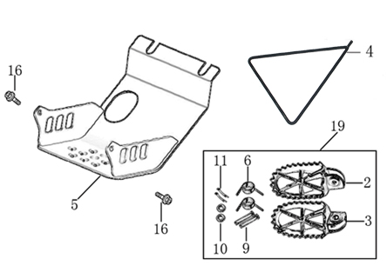
N° | Ref. | Description | Français | Picture | Qty/Bike | Model
1 | YC110-0902/05 | Inox foot pegs set Large | Jeu repose pied inox Large |  | 1 | SP1321/SP21321/SP31421/BF1501721/BFD1901721/BFZ1901821
2 | YC110-0906 | Spring for inox foot peg (left/right) d2mmxd16mmx35mm | ressort repose pied (droit/gauche) inox d2mmxd16mmx35mm |  | 2 | SP1321/SP21321/SP31421/BF1501721/BFD1901721/BFZ1901821/S1471821/S1871821
3 | GB882-d8x45 | shaft pin for inox footpegs Stainless steel d8mmx45mm | axe repose pied inox Acier inoxydable d8mmx45mm |  | 2 | BIGY190ZE21/BIGY190D21/SP221/SP321/S14720/S18721
4 | GB97-d8-W | flat washer d8mmxd16mmx1mm | rondelle d8mmxd16mmx1mm |  | 2 | ALL BIKES 1121
5 | GB91-d2x25-W | Cotter pin 2.0x25mm | goupille 2.0x25mm |  | 2 | ALL BIKES 1321
6 | YC110-190-01 | Side stand SP BLACK | Triangle support SP NOIR |  | 1 | SP11520/SP21521/SP31521/S1471821/S1871821
7 | YC110-207-04 | Engine skid plate Steel SP/BIGY #2 T=3mm BLACK | SABOT ACIER SP/BIGY #2 T=3mm NOIR |  | 1 | SP21421
8 | BT08-M6x16-W | Hex.Bolt M6x16mm for skid plate sides fixation | vis M6x16mm pour fixation cotes sabot moteur |  | 2 | S88SE21/L8821/L12521/S12521/S125SE21/P12521/P15021/SM12520/SM15021/SP221/SP321/B12520/B15021/BFD19020/BFZ19021
9 | BT08-M8x25-W | Hex.Bolt M8x25mm for skidplate / engine fixation (bottom) | vis M8x25mm pour fixation sabot/moteur (dessous) |  | 4 | ALL BIKES 21

Swing Arm assy
 |  | 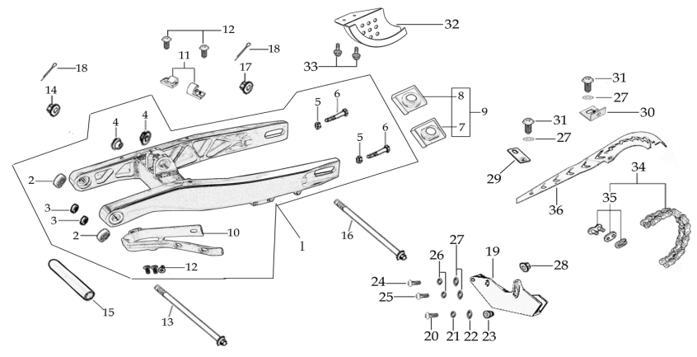
N° | Ref. | Description | Français | Picture | Qty/Bike | Model
1 | YC110-10015-01 | Mono swing arm YCF Aluminium 420mm 2020 d12mm (174 mm) | Bras oscillant mono YCF Aluminium 420mm 2020 d12mm (174 mm) |  | 1 | SP221
2 | YC110-10-015-BK | Rear brake hose guide 2020 | Passe durite de frein arriere sur bras oscillant 2020 |  | 1 | ALL BIKES 21
3 | DIN7985-M6x16 | Screw M6x16mm for Rear brake hose guide | Vis M8x16mm pour Passe durite de bras oscillant |  | 5 | ALL BIKES 21
4 | YC110-10-025 | Chain slider PU YCF for swing arm | Patin chaine PU YCF pour bras oscillent |  | 1 | P1251520/P1501520/SM1501520/SP11217/SP21221/SP31220/B1251721/B1501721/BF1501721/BFD1901721/BFZ1901821/S1471821/S1871821
5 | 6001-NTN | NTN 6001 Bearingfor swing arm d12mmxd28mmx8mm | Roulement bras oscillent NTN 6001 d12mmxd28mmx8mm |  | 4 | SP21821/SP31820
6 | YC110-1007-11 | Central spacer swing arm Aluminium SP d13mmxd20mmx141mm | Entretoise centrale de bras oscillent SP d13mmxd20mmx141mm |  | 1 | SP221/SP321
7 | YC110-10-033 | Swing arm shaft L=236mm | axe bras oscillant d3mm L=236mm |  | 1 | SP11417/SP21421/SP31421
8 | YC110-11-075 | Rear wheel axle L=230mm with Self locking nut M14 | axe roue arriere L=230mm avec ecrou M14 |  | 1 | SP21221/SP31220/BF1501721/BFD1901721/BFZ1901821
9 | GB5783-M8x40-W | Exterior hex. Bolt M8x40mm | vis tendeur chaine M8x40mm |  | 2 | W88E1821/S88SE1521/S125SE1521/S125S1219/S1251220/P1251321/P1501220/SM1251220/SM1501220/SP11219/SP21221/SP31421/B1251721/B1501721/BFD1901721/BFZ1901821/S1471821/S1871821
...
N° | Ref. | Description | Français | Picture | Qty/Bike | Model
13 | GB70.1-M10x35-W | Nut for brake pedal M10X35 | vis pour pédale frein M10X35 |  | 1 | SP11617/SP21621/SP31621/BF1501721/BFD1901721/BFZ1901821
14 | FB13-10x14x6 | bushing 10x14x6MM for brake pedal | entretoise 10x14x6MM pour pédale de frein |  | 1 | SP11617/SP221/SP321/BFD19020/BFZ19021/S14720/S18721
15 | YC110-1223-02 | Aluminium brake pedal end cap 2020 | embout pédale de frein Aluminium 2020 |  | 1 | SP221/SP321/BFD19020/BFZ19021/S14720/S18721
16 | BT08-M6x25-W | Hex.Bolt M6x25mm | vis M6x25 |  | 2 | SP221/SP321/BFD19020/BFZ19021/S14720/S18721
17 | GB70-M5x12 | Hex. Bolt M5x12mm | Vis M5x12mm |  | 3 | SP11617/SP221/SP321/BFD19020/BFZ19021/S14720/S18721
18 | YC110-1215-06 | Mount for rear break reservoir "extern" | fixation maitre cylindre frein arriere "externe" |  | 1 | P1251720/P1501720/SM1501720/SP11719/SP21720/SP31720/B1251721/B1501721/BFD1901721/BFZ1901821/S1471821/S1871821
19 | BT08-M6x12-W | Hex. Bolt e M6x12mm for rear break reservoir fixation | vis M6x12mm pour fixation maitre cylindre frein arriere |  | 2 | P12521/P15021/SM15021/SP221/SP321/B12520/B15021/BFD19020/BFZ19021/S14720/S18721
20 | BT08-M6x16-W | Hex.Bolt M6x16mm | vis M6x16mm |  | 2 | P12521/P15021/SM15021/SP221/SP321/B12520/B15021/BFD19020/BFZ19021/S14720/S18721

Exhaust
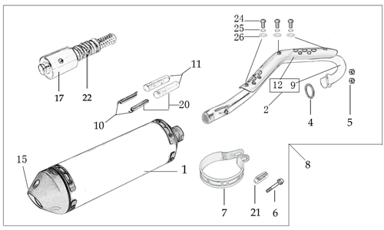
N° | Ref. | Description | Français | Picture | Qty/Bike | Model
1 | YC110-139-0301 | Muffler& Exhaust pipe assy YCF SPII/SPIII 2020 | Echapement complet YCF 94db SPII/SPIII 2020 |  | 1 | SP221/SP321
2 | YC110-13014-03-BK | Muffler RACING (2 springs) Black | silencieux YCF SP3 RACING Noir |  | 1 | SP21621/SP31621/BF1501619/BFD1901721/BFZ1901821
3 | YC110-1317-02 | Noise reducer (spark arrestor) YCF SP | Bride de pot YCF SP |  | 1 | SP21621/SP31621/BF1501619/BFD1901721/BFZ1901821
4 | GB70-M5x6 | Plus screw M5x6mm for muffler end cap | vis M5x6mm pour Embout silencieux |  | 1 | SP21621/SP31621/BF1501619/BFD1901721/BFZ1901821
5 | YC110-13-35 | Muffler racing end cap | Embout silencieux racing |  | 1 | SP21221/SP31220/BF1501721/BFD1901721/BFZ1901821/S1471821/S1871821
6 | GB70-M5x20 | Plus screw M5x20mm for muffler end cap | vis M5x20mm pour Emout silencieux |  | 3 | SP21221/SP31220/BF1501721/BFD1901721/BFZ1901821/S1471821/S1871821
7 | GB93-d5 | Standard spring washer d5mm for muffler end cap | rondelle d5mm pour Embout silencieux |  | 3 | SP21221/SP31220/BF1501721/BFD1901721/BFZ1901821/S1471821/S1871821
8 | YC110-1302-34 | Exhaust pipe with protection plate d28/32mm SP 2022 | collecteur avec plaque d28/32mm SP 2022 |  | 1 | SP21522
9 | 18291/152FMH | Exhaust pipe washer d25.5mmxd32mmx4mm | joint pot d25.5mmxd32mmx4mm |  | 1 | S88SE1521/L881721/L1251621/S125SE1521/S12521/P1251321/P1501220/SM1251220/SM1501220/SP11219/SP21221/SP31421/B1251721/B1501721/BFD1901721/BFZ1901821/S1471821/S1871821
...
11 | YC110-1312-10 | Exhaust pipe with protection plate d28/32mm SP 2022 | collecteur avec plaque d28/32mm SP 2022 |  | 1 | SP222
12 | BT08-M6x10-W | Hex.Bolt M6x10mm for protection fixation on exhaust | vis M6x10mm pour fixation de la grille sur le collecteur |  | 3 | ALL BIKES 21
13 | GB97-d6-W | flat washer d6mm | rondelle d6mm |  | 3 | ALL BIKES 1520
14 | YC110-1307-03 | Hoop for muffler YCF SPII/SPIII （with FB13-8x14x35-W 1EA+GB5787-M8x60-W 1EA） | Attache silencieux YCF SPII/SPIII (DROIT) |  | 1 | SP21521/SP31521
15 | BT08-M8x60-W | Hex.Bolt M8x60mm for protection fixation on exhaust | vis M8x60mm pour fixation de la grille sur le collecteur |  | 1 | SP221/SP321
16 | BT08-M6x16-W | Hex. Bolt e M6x16mm | vis M6x16mm |  | 2 | SP21221/SP31220/BF1501721/BFD1901721/BFZ1901821/S1471821/S1871821
17 | GB6177-M6-W | Hex. Flanged nut M6 | écrou M6 |  | 2 | SP21221/SP31220/BF1501721/BFD1901721/BFZ1901821/S1471821/S1871821
18 | YC110-13-21 | YCF Muffler spring with rubber | Ressort pot avec le caoutchouc YCF pour silencieux |  | 2 | S88SE1521/S88S1516/L881721/L1251621/S125SE1521/S12521/P1251420/P1501420/SM1251320/SM1501320/SP21321/B1251721/B1501721/BF1501721/BFZ1901721/S1471821/S1871821

Seat & Plastic kit
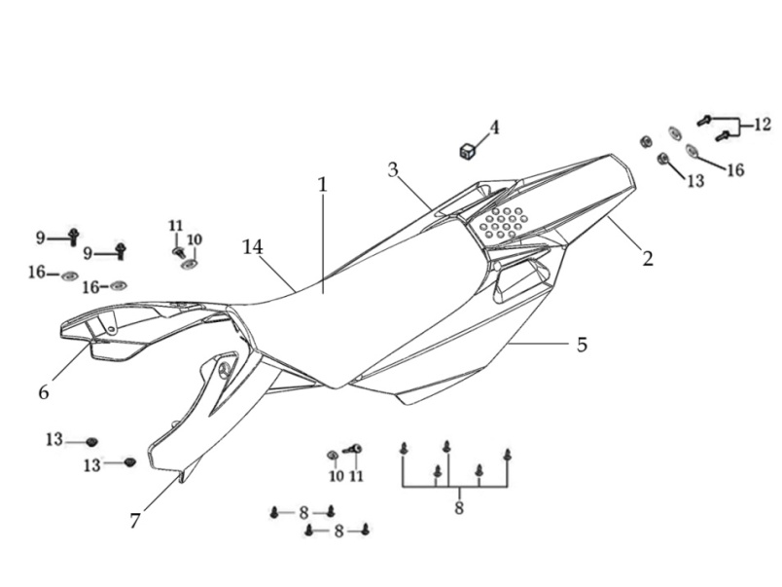
N° | Ref. | Description | Français | Picture | Qty/Bike | Model
1 | YC110-1401-17 | YCF Seat assy L=510mm | Sells SP L=510mm |  | 1 | P1251821/P1501821/SM1501821/SP21821/SP31820
2 | YC110-14-018-WH | YCF Rear fender 2016 WHITE with YC110-1404-01 2EA | Garde boue arrière YCF 2016 avec Picots BLANC |  | 1 | P1251621/P1501621/SM1501621/SP11617/SP21621/SP31621
3 | YC110-14-028-WH | YCF right side complete plastic assy WHITE | Plaque latérale droite complete YCF BLANC |  | 1 | P1251621/P1501621/SM1501621/SP11617/SP21621/SP31621
4 | YC110-14-03 | Cushion for right side plastic | caoutchouc plaque laterale droite |  | 1 | ALL BIKES 1121
5 | YC110-14-048-WH | YCF left side complete plastic assy WHITE | Plaque laterale gauche complete YCF BLANC |  | 1 | P1251621/P1501621/SM1501621/SP11617/SP21621/SP31621
6 | GB819-M5x10-W | Plus screw M5x10mm | vis M5x10mm |  | 2 | P1251621/P1501621/SM1501621/SP11617/SP21621/SP31621/B1251721/B1501721/BF1501721/BFD1901721/BFZ1901821
7 | YC110-1404-01 | Cushion for side plastic d8.2mmxd20.2mmx9mm | caoutchouc plaque laterale d8.2mmxd20.2mmx9mm |  | 2 | P1251621/P1501621/SM1501621/SP11617/SP21621/SP31621/B1251721/B1501721/BF1501721/BFD1901721/BFZ1901821
8 | YC110-14-059-WH | Right complete shroud WHITE | ouie radiateur droite complete BLANC |  | 1 | W88E20/S88SE21/S125SE21/S12521/P1251821/P1501821/SM12520/SM1501821/SP117/SP21720/SP31720
9 | YC110-14-069-WH | Left complete side shroud WHITE | ouie radiateur gauche complete BLANC |  | 1 | W88E20/S88SE21/S125SE21/S12521/P1251821/P1501821/SM12520/SM1501821/SP117/SP21720/SP31720
...
13 | BT08-M6x20-W | Hex.Bolt M6x20mm for front shroud fixation | vis M6x20mm pour fixation partie avant ouie |  | 2 | ALL BIKES 21
14 | YC110-02-13 | Rubber washer d6mmxd14mmx3mm for shroud fixation on gas tank | rondelle d.5mmxd.15mm pour fixation ouies sur reservoir cotes |  | 2 | ALL BIKES 1220
15 | FB5787-M5x12-W | hex. Bolt with flanged M5x12mm for shroud fixation on gas tank sides | vis M5x12mm pour fixation ouis sur reservoir cotes |  | 2 | ALL BIKES 1220
16 | GB96-d5-W | flat washer d6 for shroud fixation on gas tank sides | rondelle d6 pour fixation ouis sur reservoir cotes |  | 2 | ALL BIKES 1220
17 | GB6177-M6-W | Hex. Flanged nut M6 for front shroud fixation | Ecrou M6 pour fixation partie avant ouie |  | 2 | ALL BIKES 1220
18 | GB5787-M6x20-B | hex. Bolt with flanged M6x20mm BLACK for seat fixation on subframe | vis M6x20mm NOIR pour fixation selle sur boucle acier |  | 2 | ALL BIKES 1520
19 | YC110-03-01 | Rubber washer d6mmxd18mmx4mm for seat fixation on subframe | joint caoutchouc d6mmxd18mmx4mm pour fixation selle sur boucle acier |  | 2 | ALL BIKES 1220
20 | GB96-d6 | flat washer d6mm for seat fixation on subframe | rondelle d6mm pour fixation selle sur boucle acier |  | 2 | ALL BIKES 1220

ELECTRIC
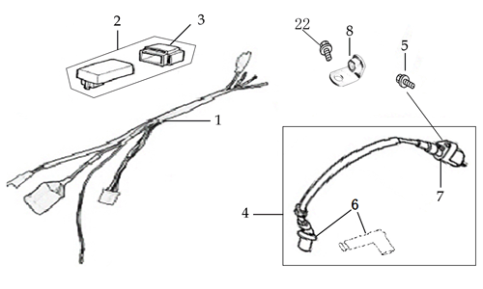
N° | Ref. | Description | Français | Picture | Qty/Bike | Model
1 | YC110-1501-21 | Wire harness 2020 (all kick start 2020) | Faisceaux éléctrique 2020 (toutes motos demareur kick 2020) |  | 1 | L8821/L12521/S12521/P12521/P15021/SM12520/SM15021/SP221/B12520/B15021/S14720
2 | YC110-01-05-WH | Cable tie L=350mm WHITE | collier maintien cable L=350mm BLANC |  | 1 | ALL BIKES 1220
3 | YC110-1503 | CDI Ignitor assy | CDI |  | 1 | L881721/L1251621/S12521/S125SE1521/S125S1519/P1251321/P1501320/SM1251220/SM1501220/SP11217/SP21221/B1251721/B1501721/BF1501721/BFZ1901821/S1471821
4 | YC110-1504-02 | Ignitor coil L=240mm | bobine haute tension L=240mm |  | 1 | F88L20/F125L20/F1251216/F125s1220/F125se1520/P88s1215/P1251317/P1501320/SM1220/SP11417/SP21421
5 | YC110-1505 | anti interference red | anti parasite rouge |  | 1 | S88SE1521/L881721/L1251621/S125S1219/S125SE1521/S12521/P1251420/P1501220/SM1251220/SM1501220/SP11217/SP21221/B1251721/B1501721/BF1501721/BFZ1901721/S1471821
6 | YC110-1504 | Ignitor coil | bobine haute tension |  | 1 | S88SE1521/L881721/L1251621/S125S1219/S125SE1521/S12521/P1251420/P1501220/SM1251220/SM1501220/SP11217/SP21221/B1251721/B1501721/BF1501721/BFZ1901721/S1471821
7 | BT08-M6x20-W | Hex.Bolt M6x20mm for ignitor coil fixation | vis M6x20mm pour fixation bobine haute |  | 1 | ALL BIKES 21
8 | YC110-1506 | The Ignitor coil stents L=23mm H=17mm BLACK | Support Bobine Haute tension L=23mm H=17mm Noir |  | 1 | SP11317/SP21321/B1251721/B1501721/BF1501721/BFZ1901821
9 | BT08-M6x16-W | Hex.Bolt M6x16mm | vis M6x16mm |  | 1 | ALL BIKES 21

Frame
 |  | 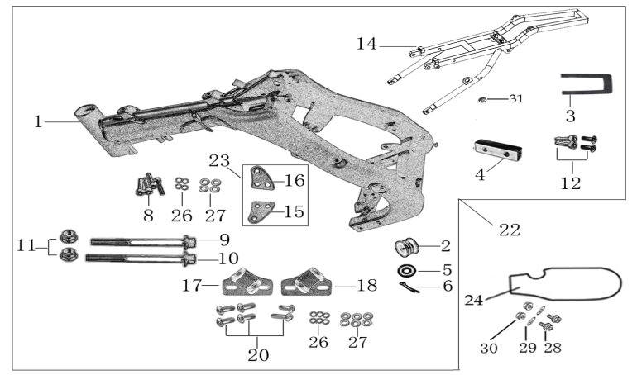
N° | Ref. | Description | Français | Picture | Qty/Bike | Model
1 | YC110-171-0301-BK | complète frame SPII 2020 BLACK | cadre complet SPII 2020 NOIR |  | 1 | SP221
2 | YC110-181-0501-BK | Chromoly steel frame body SPI / SPII / SPIII 2020 LACK 22 degrees | Cadre acier chromoly SPI / SPII / SPIII 2020 NOIR 22 degres |  | 1 | SP221/SP321
3 | YC110-01-08-BK | Cable tie ADJUSTABLE BLACK | Collier maintien cable AJUSTABLE NOIR |  | 3 | ALL BIKES 21
4 | YC110-2201-02 | YCF Chain tensioner component Nylon 2020 | Roulette chaine YCF 2020 Nylon |  | 1 | S88SE21/L8821/L12521/S125SE21/S12521/P12521/P15021/SM12520/SM15021/SP221/SP321/B12520/B15021/BFD19020/BFZ1901721/
5 | GB97-d10-W | Flat washer d10mmxd17mmx2mm for Chain tensioner | rondelle d10mmxd17mmx2mm pour roulette chaine |  | 1 | ALL BIKES 1121
6 | GB91-d2x25-W | cotter pin d2.0x25mm for Chain tensioner | goupille d2.0x25mm pour roulette chaine |  | 1 | ALL BIKES 1321
7 | YC110-1614-15-BK | STEEL Subframe part SP1/SP2 BLACK with YC110-1404-01 2EA | Boucle arriere de cadre ACIER SP1/SP2 NOIR |  | 1 | SP11617/SP21720
8 | YC110-1633-01 | YCF Rubber plug for Subframe BIGY | Embout Caoutchouc YCF boucle arriere Bigy |  | 1 | P1251720/P1501720/SM1501720/SP116/SP21720/B1251721/B1501721/BF1501721/BFZ1901821/S1471821/S1871821
9 | YC110-16-066-BK | set of engine pads Black SPI/SPII/SPIII | jeu de patte de cadre Noir SPI/SPII/SPIII |  | 1 | SP11317/SP21221/SP31220
...

